Аркуш1
W
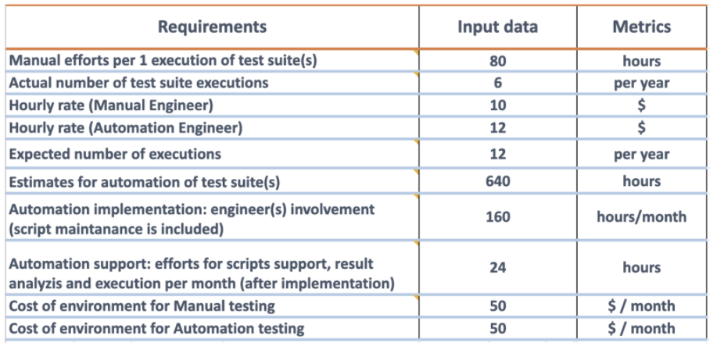
 |  |  |  |  | 80
 |  |  |  |  | 6
 |  |  |  |  | 10
 |  |  |  |  | 12
 |  |  |  |  | 12
 |  |  |  |  | 640
 |  |  |  |  | 160
 |  |  |  |  | 24
 |  |  |  |  | 50
 |  |  |  |  | 50

 | month | manual_h | automation_h | manual_cost | automation_cost | budget_manual | budget_automation | diff $ | ROI %
 | 1 | 40 | 160 | 850 | 1970 | 850 | 1970 | -1120 | 43.147208122
 | 2 | 40 | 160 | 850 | 1970 | 1700 | 3940 | -2240 | 43.147208122
 | 3 | 40 | 160 | 850 | 1970 | 2550 | 5910 | -3360 | 43.147208122
 | 4 | 40 | 160 | 850 | 1970 | 3400 | 7880 | -4480 | 43.147208122
 | 5 | 40 | 24 | 850 | 338 | 4250 | 8218 | -3968 | 51.715745924
 | 6 | 40 | 24 | 850 | 338 | 5100 | 8556 | -3456 | 59.607293128
 | 7 | 40 | 24 | 850 | 338 | 5950 | 8894 | -2944 | 66.899033056
 | 8 | 40 | 24 | 850 | 338 | 6800 | 9232 | -2432 | 73.656845754
 | 9 | 40 | 24 | 850 | 338 | 7650 | 9570 | -1920 | 79.937304075
 | 10 | 40 | 24 | 850 | 338 | 8500 | 9908 | -1408 | 85.789261203

ROI

